TBHMv4 notes
 | TBHMv4 notes | The Bug Hunter's Methodology v4.0 - Recon Edition by @jhaddix #NahamCon2020!

S.NO | Techniques | Tools Used/Website used
 | Acquisitions | crunchbase
2 | ASN enumeration | 1) ASN lookup 2) Metabigor 3) Amass intel -asn asnnumber
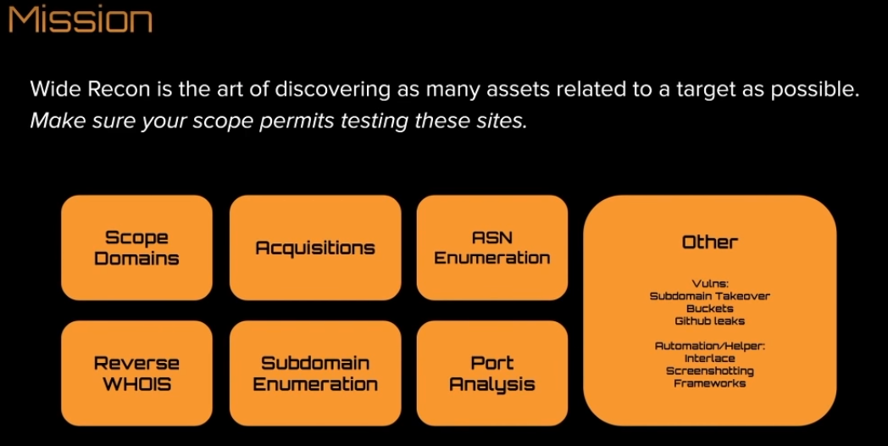
3 | Reverse whois | 1) whoxy.com 2) Domlink
4 | Ad/Analytics/technology identifiying | builtwith.com
5 | Google-FU | copyright text terms of service text privacy policy text
6 | Shodan - Captures response data, cert data, stack profiling data & more | Use Shodan membership api to fetch more info

 | Finding Subdomains
1 | Linked & Js discovery | Burpsuite Pro
 |  | With burpsuite pro 1) turn off passive 2) set forms auto submit 3) set scope, keywords 4) browse main site 5) spider all hosts 6) target ->scope -> advance scope control -> add host or iprange 7) show only scope items 8) select all hosts -> engagement tools -> analyze target -> save report as html file
 | other tools used | Gospider & hakrawler

2 | Subdomain & Scraping | Subdomain enumeration with Subdomainizer 1) find subdomains referenced js files 2) find cloud services referenced js files 3) use Shannon Entropy formula to find potentially sensitive items in js files
 | if your just looking for subdomains | use subscraper
 | Finding Infrastructure sources | Censys, Robtex, waybackmachine, dnsdumpster, PTRarchive.com netcraft, DNSDB search, Passivetotal etc
 | Search sources | yahoo, google, baidu, bing,ask, dogpile etc
 | Certificate sources | crt.sh, certspotter, certdb etc
 | Security Sources | hackertarget, security trails, virustotal, fsecure riddler, threatcrowd, threatminer etc
 | Scraping with google | site:twithc.tv -www.twitch.tv site:twithc.tv -www.twitch.tv -watch.twitch.tv site:twithc.tv -www.twitch.tv -watch.twitch.tv -dev.twitch.tv
 | Scraping with Amass | amass -d twitch.tv
 | Scraping with Subfinder v2 | subfinder -d hackerone.com -v
 | Scraping with Github-subdomains.py | python3 github-subdomains.py -t "githubpersonalaccounttoken" -d twitch.tv > twitch.tv
 | Scraping with Shosubgo | go run main.go -d twitch.tv -s "githubtoken"
 | Scraping with Cloud Ranges | technique to monitor AWS, GCP, Azure for SSL

3 | Subdomain bruteforcing
 | Sudomain Bruteforce with Amass | guessing for live subdomains with larget list of common sudomains name tool: Massdns amass enum -brute -d twitch.tv -src amass enum -brute -d twitch.tv -rf resolvers.txt -w bruteforce.list
 | Sudomain Bruteforce with shuffleDNS | shuffledns -d hackerone.com -w words.txt -r resolvers-excellent.txt
 |  | Subdomain Bruting lists -> tomnomnom - githubrepo -> all.txt
 |  | Asset note -> commonspeak2
 | Alteration scanning | altdns dev1.company.com dev2.company.com dev-1.company.com

4 | Portanalysis & Service Analysis
 | Portanalysis - Massscan | massscan -p1-65535 ip --max-rate 1800 -oG outputfile.txt
 | Portanalysis - Dnmasscan | dnmasscan outputfile.txt dns.log -p80,443 -oG masscan.log
 | Service scanning - Brutespray | scan the remote administration protocls for default passwords which takes nmap OG file format
 |  | Massscan -> nmapservice scan -oG -> brutespray credential bruteforce

5 | Github dorking | tool: github-search github dork collections -> jhaddix github repo fullmode on github and sensitive data exposure by @th3g3ntelmans video in bugcrowd

6 | Screenshotting | eyewitness, aquatone, httpscreenshot

7 | Sudomain takeover | can i takeover xyz - github repo
 | Sudomain takeover tools used | SubOver & nuclei

8 | Automation tools & framework used | Extending tools (interlace) recon framework tomnomnom tools in github repo

 | C-tier - Frameworks - found in github repos | 1) AdmiralGaust/bountyRecon 2) offhoursscoding/recon 3) Sambal0x/recon-tools 4) JoshuaMart/Autorecon 6) yourbuddy25/Hunter 7) ultimate_recon.sh 8) https://gist.github.com/dwisiswant05f647e3d406b5e984e6d69d3538968cd
 | B-tier frameworks - found in github repos | 1) capt-meelo/LazyRecon 2) phspade/Automated-Scanner 3) shmilylty/OneForAll 4) SolomonSklash/chomp-scan 5) TypeError/domained 6) Screetsec/Sudomy 7) devanshbatham/Gorecon 8) LordNeoStark/tugarecon
 | A-tier frameworks - Found in github repos | 1) Edu4rdSHL/findomain 2) SilverPoision/Rock-ON 3) epi052/recon-pipeline
 | S-tier frameworks - Found in github repos | 1) Intrigue.io 2) AssetNote 3) spiderfoot 4) Project discovery framework - use https://chaos.projectdiscovery.io/#/ - download subdomains files of all public programs in hackerone & bugcrowd watch for new domains
 | Mindmaps | XMind - Mind Mapping Software

